Daily Power Station Chart_15-01
Plant_26/03/2025Chart

Plant:odco1 |  |  | Installed Capacity:111.180kWp
Today Yield(kWh):717.600kWh |  | Today Earning:287040.000TND |  | Today Full Load Hours(h):6.45h

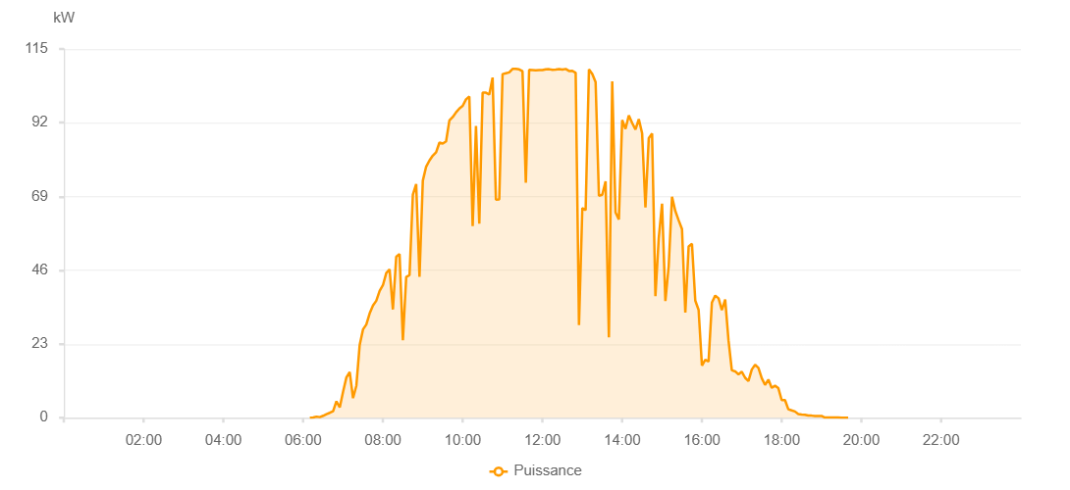

Number | Time | Working State | PV(W) | Instantaneous Radiation(W/㎡)
1 | 06:10:00 | Online | 20.00000 | 0
2 | 06:15:00 | Online | 80.00000 | 0
3 | 06:20:00 | Online | 340.00000 | 0
4 | 06:25:00 | Online | 190.00000 | 0
5 | 06:30:00 | Online | 600.00000 | 3.00000
6 | 06:35:00 | Online | 1110.00000 | 5.00000
7 | 06:40:00 | Online | 1530.00000 | 9.00000
8 | 06:45:00 | Online | 2030.00000 | 13.00000
9 | 06:50:00 | Online | 5130.00000 | 20.00000
10 | 06:55:00 | Online | 3200.00000 | 54.00000
11 | 07:00:00 | Online | 8110.00000 | 50.00000
12 | 07:05:00 | Online | 12570.00000 | 113.00000
13 | 07:10:00 | Online | 14260.00000 | 184.00000
14 | 07:15:00 | Online | 6110.00000 | 206.00000
15 | 07:20:00 | Online | 10020.00000 | 47.00000
16 | 07:25:00 | Online | 22710.00000 | 233.00000
17 | 07:30:00 | Online | 27530.00000 | 281.00000
18 | 07:35:00 | Online | 29090.00000 | 308.00000
19 | 07:40:00 | Online | 32530.00000 | 331.00000
20 | 07:45:00 | Online | 34980.00000 | 360.00000
21 | 07:50:00 | Online | 36490.00000 | 382.00000
22 | 07:55:00 | Online | 39570.00000 | 405.00000
23 | 08:00:00 | Online | 41350.00000 | 426.00000
24 | 08:05:00 | Online | 45110.00000 | 448.00000
25 | 08:10:00 | Online | 46290.00000 | 479.00000
26 | 08:15:00 | Online | 33760.00000 | 506.00000
27 | 08:20:00 | Online | 50190.00000 | 526.00000
28 | 08:25:00 | Online | 51050.00000 | 526.00000
29 | 08:30:00 | Online | 24190.00000 | 569.00000
30 | 08:35:00 | Online | 43880.00000 | 126.00000
31 | 08:40:00 | Online | 44480.00000 | 390.00000
32 | 08:45:00 | Online | 69540.00000 | 639.00000
33 | 08:50:00 | Online | 72880.00000 | 648.00000
34 | 08:55:00 | Online | 43960.00000 | 678.00000
35 | 09:00:00 | Online | 73930.00000 | 349.00000
36 | 09:05:00 | Online | 78300.00000 | 700.00000
37 | 09:10:00 | Online | 80240.00000 | 709.00000
38 | 09:15:00 | Online | 81740.00000 | 724.00000
39 | 09:20:00 | Online | 82820.00000 | 744.00000
40 | 09:25:00 | Online | 85810.00000 | 775.00000
41 | 09:30:00 | Online | 85490.00000 | 817.00000
42 | 09:35:00 | Online | 86200.00000 | 782.00000
43 | 09:40:00 | Online | 92710.00000 | 809.00000
44 | 09:45:00 | Online | 93770.00000 | 825.00000
45 | 09:50:00 | Online | 95250.00000 | 836.00000
46 | 09:55:00 | Online | 96440.00000 | 848.00000
47 | 10:00:00 | Online | 97270.00000 | 865.00000
48 | 10:05:00 | Online | 99300.00000 | 873.00000
49 | 10:10:00 | Online | 100180.00000 | 910.00000
50 | 10:15:00 | Online | 59780.00000 | 929.00000
51 | 10:20:00 | Online | 90960.00000 | 970.00000
52 | 10:25:00 | Online | 60550.00000 | 968.00000
53 | 10:30:00 | Online | 101370.00000 | 1018.00000
54 | 10:35:00 | Online | 101370.00000 | 942.00000
55 | 10:40:00 | Online | 100790.00000 | 938.00000
56 | 10:45:00 | Online | 106090.00000 | 953.00000
57 | 10:50:00 | Online | 68040.00000 | 953.00000
58 | 10:55:00 | Online | 68120.00000 | 963.00000
59 | 11:00:00 | Online | 107170.00000 | 967.00000
60 | 11:05:00 | Online | 107450.00000 | 969.00000
61 | 11:10:00 | Online | 107710.00000 | 978.00000
62 | 11:15:00 | Online | 108800.00000 | 978.00000
63 | 11:20:00 | Online | 108800.00000 | 1012.00000
64 | 11:25:00 | Online | 108630.00000 | 998.00000
65 | 11:30:00 | Online | 108060.00000 | 1015.00000
66 | 11:35:00 | Online | 73270.00000 | 1064.00000
67 | 11:40:00 | Online | 108500.00000 | 539.00000
68 | 11:45:00 | Online | 108420.00000 | 1057.00000
69 | 11:50:00 | Online | 108340.00000 | 1046.00000
70 | 11:55:00 | Online | 108400.00000 | 1067.00000
71 | 12:00:00 | Online | 108430.00000 | 1024.00000
72 | 12:05:00 | Online | 108660.00000 | 1056.00000
73 | 12:10:00 | Online | 108700.00000 | 1021.00000
74 | 12:15:00 | Online | 108510.00000 | 1027.00000
75 | 12:20:00 | Online | 108600.00000 | 1027.00000
76 | 12:25:00 | Online | 108740.00000 | 991.00000
77 | 12:30:00 | Online | 108580.00000 | 992.00000
78 | 12:35:00 | Online | 108770.00000 | 984.00000
79 | 12:40:00 | Online | 108150.00000 | 983.00000
80 | 12:45:00 | Online | 108190.00000 | 977.00000
81 | 12:50:00 | Online | 107550.00000 | 996.00000
82 | 12:55:00 | Online | 28900.00000 | 1001.00000
83 | 13:00:00 | Online | 65360.00000 | 222.00000
84 | 13:05:00 | Online | 64720.00000 | 259.00000
85 | 13:10:00 | Online | 108630.00000 | 177.00000
86 | 13:15:00 | Online | 107200.00000 | 328.00000
87 | 13:20:00 | Online | 104660.00000 | 928.00000
88 | 13:25:00 | Online | 69210.00000 | 935.00000
89 | 13:30:00 | Online | 69540.00000 | 982.00000
90 | 13:35:00 | Online | 73760.00000 | 979.00000
91 | 13:40:00 | Online | 25050.00000 | 286.00000
92 | 13:45:00 | Online | 104880.00000 | 199.00000
93 | 13:50:00 | Online | 64060.00000 | 899.00000
94 | 13:55:00 | Online | 61800.00000 | 875.00000
95 | 14:00:00 | Online | 92850.00000 | 866.00000
96 | 14:05:00 | Online | 90090.00000 | 825.00000
97 | 14:10:00 | Online | 94280.00000 | 676.00000
98 | 14:15:00 | Online | 91910.00000 | 850.00000
99 | 14:20:00 | Online | 89920.00000 | 796.00000
100 | 14:25:00 | Online | 93140.00000 | 150.00000
101 | 14:30:00 | Online | 88690.00000 | 540.00000
102 | 14:35:00 | Online | 65550.00000 | 714.00000
103 | 14:40:00 | Online | 87180.00000 | 432.00000
104 | 14:45:00 | Online | 88660.00000 | 737.00000
105 | 14:50:00 | Online | 37940.00000 | 359.00000
106 | 14:55:00 | Online | 55950.00000 | 711.00000
107 | 15:00:00 | Online | 66760.00000 | 330.00000
108 | 15:05:00 | Online | 36420.00000 | 767.00000
109 | 15:10:00 | Online | 47300.00000 | 137.00000
110 | 15:15:00 | Online | 68940.00000 | 648.00000
111 | 15:20:00 | Online | 64430.00000 | 592.00000
112 | 15:25:00 | Online | 61540.00000 | 569.00000
113 | 15:30:00 | Online | 58820.00000 | 552.00000
114 | 15:35:00 | Online | 32800.00000 | 534.00000
115 | 15:40:00 | Online | 53420.00000 | 95.00000
116 | 15:45:00 | Online | 54220.00000 | 482.00000
117 | 15:50:00 | Online | 36520.00000 | 484.00000
118 | 15:55:00 | Online | 33610.00000 | 399.00000
119 | 16:00:00 | Online | 16270.00000 | 491.00000
120 | 16:05:00 | Online | 18090.00000 | 132.00000
121 | 16:10:00 | Online | 17540.00000 | 154.00000
122 | 16:15:00 | Online | 35900.00000 | 151.00000
123 | 16:20:00 | Online | 38100.00000 | 406.00000
124 | 16:25:00 | Online | 37240.00000 | 141.00000
125 | 16:30:00 | Online | 33570.00000 | 342.00000
126 | 16:35:00 | Online | 36870.00000 | 317.00000
127 | 16:40:00 | Online | 24090.00000 | 189.00000
128 | 16:45:00 | Online | 14770.00000 | 132.00000
129 | 16:50:00 | Online | 14460.00000 | 104.00000
130 | 16:55:00 | Online | 13540.00000 | 97.00000
131 | 17:00:00 | Online | 14330.00000 | 89.00000
132 | 17:05:00 | Online | 12450.00000 | 100.00000
133 | 17:10:00 | Online | 11440.00000 | 102.00000
134 | 17:15:00 | Online | 15010.00000 | 87.00000
135 | 17:20:00 | Online | 16540.00000 | 799.00000
136 | 17:25:00 | Online | 15550.00000 | 119.00000
137 | 17:30:00 | Online | 12340.00000 | 799.00000
138 | 17:35:00 | Online | 10240.00000 | 85.00000
139 | 17:40:00 | Online | 11900.00000 | 799.00000
140 | 17:45:00 | Online | 9310.00000 | 799.00000
141 | 17:50:00 | Online | 9970.00000 | 76.00000
142 | 17:55:00 | Online | 9230.00000 | 62.00000
143 | 18:00:00 | Online | 5490.00000 | 780.00000
144 | 18:05:00 | Online | 5490.00000 | 780.00000
145 | 18:10:00 | Online | 2650.00000 | 30.00000
146 | 18:15:00 | Online | 2280.00000 | 17.00000
147 | 18:20:00 | Online | 1950.00000 | 17.00000
148 | 18:25:00 | Online | 1160.00000 | 12.00000
149 | 18:30:00 | Online | 980.00000 | 8.00000
150 | 18:35:00 | Online | 930.00000 | 7.00000
151 | 18:40:00 | Online | 680.00000 | 5.00000
152 | 18:45:00 | Online | 650.00000 | 0
153 | 18:50:00 | Online | 560.00000 | 0
154 | 18:55:00 | Online | 530.00000 | 0
155 | 19:00:00 | Online | 540.00000 | 0
156 | 19:05:00 | Online | 40.00000 | 0
157 | 19:10:00 | Online | 50.00000 | 0
158 | 19:15:00 | Online | 40.00000 | 0
159 | 19:20:00 | Online | 50.00000 | 0
160 | 19:25:00 | Online | 40.00000 | 0
161 | 19:30:00 | Online | 20.00000 | 0
162 | 19:35:00 | Online | 20.00000 | 0
163 | 19:40:00 | Online | 20.00000 | 0
164 | 20:00:00 | Online | 0.00001 | 0.00001

